User & Maintenance Guide
User Guide:
Map | Represents states with low value care services based on the outcome measures of utilization, costs and total expenditure
Bar Graph | Top 5 States for each low value care services
Slicer | View the low value service provided by outcome measures
 | View the low value service provided for each cancer screening by selecting the year
 | View the low value service provided for each cancer screening by states
 | View each type of low value service
Pie chart | Represents the percentage of each type of cancer screening

Step 1: | Select one of the outcome measures

STEP 2: | Select the year or years for percentage of LVC for it

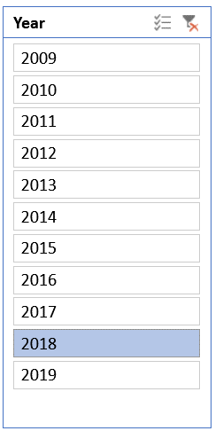
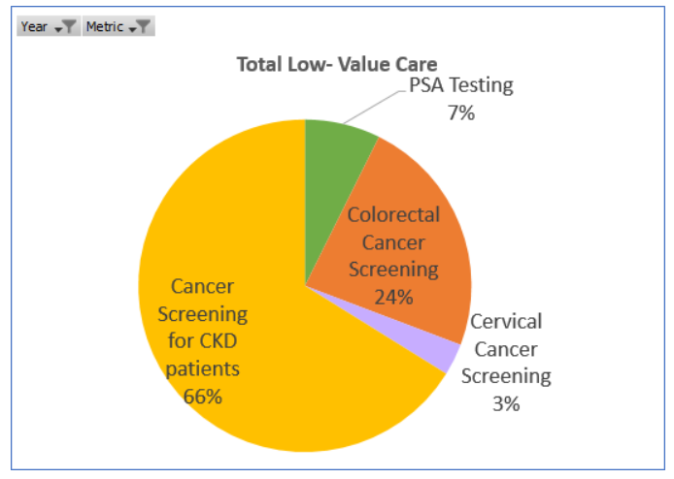

STEP 3: | Select each states or multiselect states to see the trendline over years
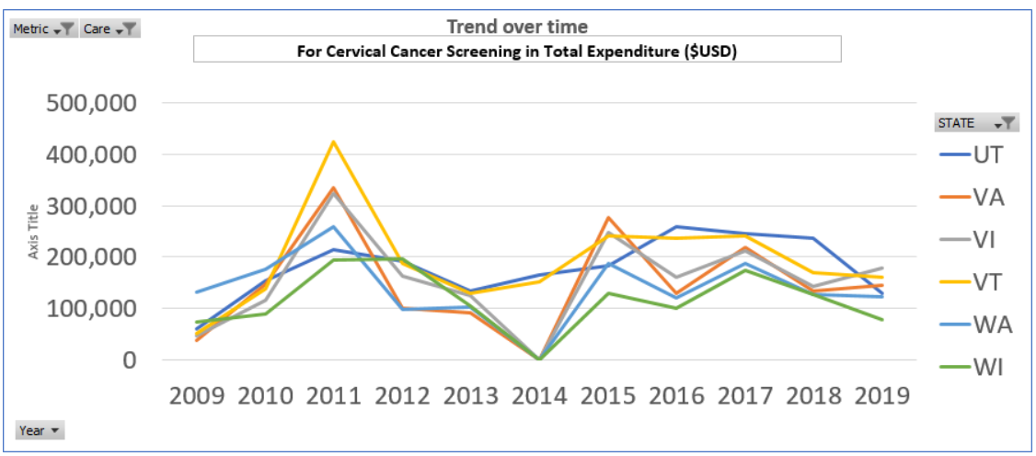
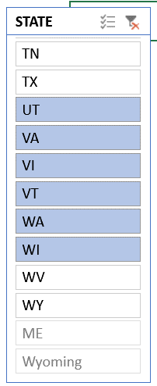

STEP 4: | Select each low value care service to see the top and bottom five states for the outcome measures

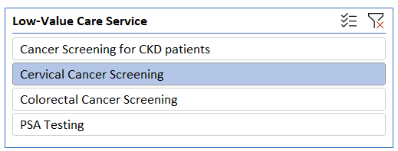
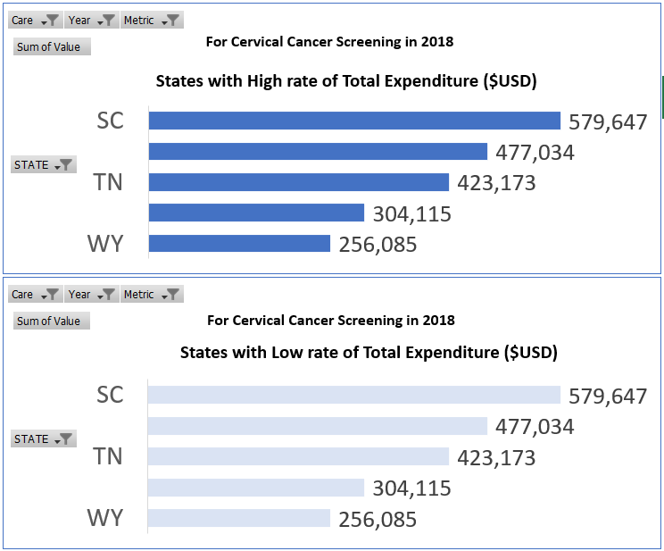

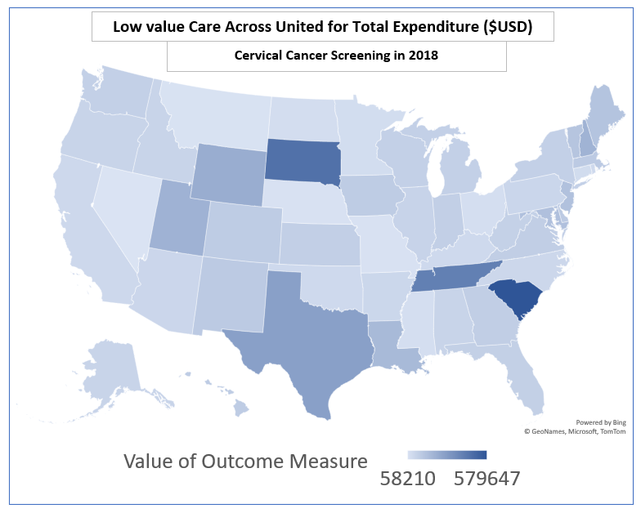

 |  | STEP 5:
STEP 5: | Based on the outcome measure chosen, presents 11 year trendline and overall total across the US Total
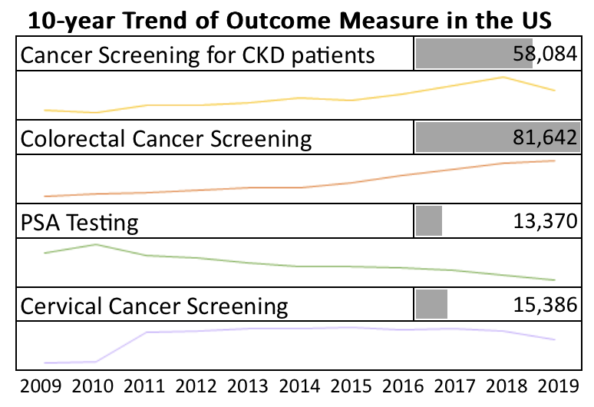

MAINTENANCE GUIDE:

The new data has to entered in yellow columns in the data sheet and the white columns has the formulas which one needs to drag down for calculations of the outcome measures of individual low value services.
For service specific sheets (i.e. PSA, COL, CERV, CANSCRN)
Navigate to the sheet corresponding to the service you entering new data for: PSA Testing=PSA, Colorectal Cancer Screening=COL, Cervical Cancer Screening=CERV, Cancer screening for CKD patients=CANSCRN
1. Fill in total number of patients who meet inclusion criteria in column B of the individual low value service sheet
2. Fill in number of patients who received low-value care service in column C of the individual low value service sheet
3. Drag the utilization formula in column D to calculate utilization rate for each row
4. Fill in average annual cost of service in column E
5. Drag the expenditure formula in column F down to caulcaure total expenditure in each row
6. Repeat for other services if needed

Navigate to the "Data" sheet
7. Scroll to the bottom to the next empty row and use the drop down menus in each cell to make selections based on the information that was entered in the service specific sheets
8. Drag down the white column F for formulas to give individual calculation for each row

Navigate to the "Table" sheet
9. Refresh pivot tables to see the updated data in the graphs

US Trends
Low-Value Care Cancer Screening Dashboard
Total Expenditure ($USD per 100,000 patients)

Total Low- Value Care
 | Total
PSA Testing | 342,963
Colorectal Cancer Screening | 1,162,527
Cervical Cancer Screening | 148,389
Cancer Screening for CKD patients | 3,357,583
Trend over time
 | CA
2009 | 558,242
2010 | 532,117
2011 | 492,289
2012 | 493,443
2013 | 795,055
2014 | 705,789
2015 | 1,027,516
2016 | 1,212,637
2017 | 2,360,271
2018 | 2,829,645
2019 | 2,868,680
For Colorectal Cancer Screening in Total Expenditure ($USD per 100,000 patients)

Low value Care Across United for Total Expenditure ($USD per 100,000 patients)
States with High rate of Total Expenditure ($USD per 100,000 patients)
 | Total
SD | 17609789.443
DC | 17927021.853
MA | 18079702.023
NH | 18726069.021
RI | 19072581.986
Colorectal Cancer Screening from 2009 - 2019

10-year Trend of Outcome Measure in the US
Cancer Screening for CKD patients | 1,883,603,827

States with Low rate of Total Expenditure ($USD per 100,000 patients)
 | Total
PA | 9748912.888
NM | 9648029.7776
NV | 9308205.134
AK | 7420833.208
Maine | 0
Colorectal Cancer Screening | 652,177,462

PSA Testing | 192,402,343

Cervical Cancer Screening | 83,246,308

2009 2010 2011 2012 2013 2014 2015 2016 2017 2018 2019

